Working Sheet
Aggregrete Functions:
1) SUM(): Here Sum function is used for calculating Total salary Distributed Between Employees.
2) Count(*): Count Function is used for counting Total number of Employees.
3) Max(): Maximum function is used for Finding Maximum Salary in Salary.
4) Min(): Minimum function is used for Finding Minimum Salary in Salary.
5) Average(): Average Function is used for Finding Average Salary.
6)SUMIF(): Used Sumif function for Finding salary Distribution Between Male and Female.
7) CountIf(): Used For Counting Total_No Male and Females Employees .
8)Std.p()Function used for calculating of Standard Deviation of Data.
9)Var.P()= Function is used for calculating variance of Salary.
10)Range():Range Function is used for finding Difference between Max and Min Salary.
Employee_ID | Name | Age | Salary | Department | Gender
1 | Rohan Sharma | 25 | 50,000 | Human Resources | Male | Summary Statistics Of Data
2 | Aarti Verma | 29 | 60,000 | Finance | Female | Total_Salary in Rupees. | ₹ 3,259,000
3 | Aman Gupta | 34 | 80,000 | Marketing | Male | Total_Employees | 50.00
4 | Neha Agarwal | 27 | 55,000 | Technology | Female | Maximum_Salary In Rupees | ₹ 85,000
5 | Rajesh Kumar | 30 | 70,000 | Operations | Male | Minimum_Salary In Rupees | ₹ 48,000
6 | Priya Singh | 26 | 58,000 | Finance | Female | Average_Salary | ₹ 65,180
7 | Karan Patel | 28 | 62,000 | Marketing | Male
8 | Simran Kaur | 24 | 48,000 | Human Resources | Female | Salary_Distribution Between By Gender
9 | Aditya Joshi | 31 | 75,000 | Technology | Male | Total Salary_Distributed In Female Employees | ₹ 1,470,000
10 | Meera Iyer | 32 | 65,000 | Finance | Female | Total Salary_Distributed In Male Employees | ₹ 1,789,000
11 | Piyush Malhotra | 29 | 72,000 | Marketing | Male
12 | Swati Roy | 27 | 60,000 | Human Resources | Female | Count Of Female And Male Employees
13 | Mohan Desai | 35 | 85,000 | Operations | Male | Total_Males | 25
14 | Kavya Shetty | 25 | 52,000 | Technology | Female | Total_Females | 25
15 | Ankit Mehta | 33 | 78,000 | Finance | Male
16 | Shreya Choudhary | 26 | 56,000 | Human Resources | Female | Measure Of Central Tendency
17 | Vikram Singh | 30 | 73,000 | Marketing | Male | Mean of Salary | 65180
18 | Neetu Jain | 28 | 64,000 | Operations | Female | Median of Salary | 63500
19 | Arjun Nair | 34 | 82,000 | Technology | Male | Mode of Salary | 60000
20 | Ananya Das | 25 | 54,000 | Finance | Female | Standard Deviation | 10122.628117
21 | Ishaan Sharma | 27 | 59,000 | Marketing | Male | Variance | 102467600
22 | Rhea Kapoor | 29 | 62,000 | Human Resources | Female | Range Of Salaries | 37000
23 | Tarun Bansal | 32 | 70,000 | Technology | Male | Employees Per Department
24 | Sneha Tripathi | 31 | 68,000 | Finance | Female | Finance | 11
25 | Sameer Dubey | 28 | 66,000 | Marketing | Male | Human Resources | 10
26 | Lavanya Mishra | 24 | 49,000 | Human Resources | Female | Marketing | 11
27 | Harsh Vardhan | 33 | 80,000 | Operations | Male | Operations | 8
28 | Tanya Reddy | 26 | 53,000 | Technology | Female | Technology | 10
29 | Arvind Ghosh | 30 | 72,000 | Finance | Male
30 | Pallavi Nanda | 27 | 58,000 | Human Resources | Female
31 | Rahul Tandon | 29 | 64,000 | Marketing | Male
32 | Bhavna Singh | 31 | 68,000 | Operations | Female | Salary
33 | Siddharth Rao | 35 | 85,000 | Technology | Male
34 | Anjali Khanna | 25 | 50,000 | Finance | Female | Mean | 65180
35 | Manish Pandey | 32 | 77,000 | Marketing | Male | Standard Error | 1446.089731
36 | Devika Arora | 26 | 55,000 | Human Resources | Female | Median | 63500
37 | Kunal Saxena | 28 | 63,000 | Operations | Male | Mode | 60000
38 | Sanya Bose | 27 | 59,000 | Technology | Female | Standard Deviation | 10225.39855
39 | Yashwant Jain | 30 | 70,000 | Finance | Male | Sample Variance | 104558775.51
40 | Ritu Sinha | 29 | 61,000 | Human Resources | Female | Kurtosis | -0.91470681437
41 | Aarav Kulkarni | 31 | 75,000 | Marketing | Male | Skewness | 0.22719006519
42 | Isha Chopra | 33 | 79,000 | Operations | Female | Range | 37000
43 | Nishant Goel | 34 | 81,000 | Technology | Male | Minimum | 48000
44 | Alka Mukherjee | 28 | 62,000 | Finance | Female | Maximum | 85000
45 | Chetan Thakur | 26 | 57,000 | Marketing | Male | Sum | 3259000
46 | Sana Rizvi | 25 | 51,000 | Human Resources | Female | Count | 50
47 | Akshay Bhardwaj | 30 | 69,000 | Operations | Male
48 | Juhi Srivastava | 27 | 60,000 | Technology | Female
49 | Gaurav Tyagi | 32 | 74,000 | Finance | Male
50 | Nidhi Bhatia | 29 | 63,000 | Marketing | Female

Report_Sheet
Insights Of Data
1) Since the median is slightly lower than the mean, it indicates a slight right-skewness (a few higher salaries might be inflating the mean).
2)MODE shows that 60,000 is the salary range where the majority of people fall.
3)Standard deviation measures how spread out the salary values are from the mean.
A standard deviation of 10,122.63 indicates that most salaries deviate from the mean by approximately 10,122.63.
Higher STD = More Variability.
It Means Some Peoples are Earning Much or Less than the Average.
4)Variance is the square of the standard deviation and measures the degree of spread in the data.

Visualisation
Insights:
->It's Cleary Showing that Some points are as below:
1)Minimum Age of Employee is 24 Years.
2)Maximum Age is 35 Years.
3)Average Age is 29.04 Years.
4)25% of Employees are below 26.75 Years of Age.
5)75% of Employees are below 31.25 Years of Age.
6)Median is 29 ,It's very close to Mean(Average) which informs about the Data is symmetrically Distributed.
7) Age Range From 24 -35 Years ,shows narrow Spread.

Insights:
1) Average Salary is 65,000 denoted by (x).
2)Median is 63,500 ,It's left Skewed because Median is less than Mean which varies due to some more and Less salaries Of Employees.
3)Minimum Salary is 48,000.
4)maximum Salary is 85,000.
5)25% of Employees are Workin Below 57,750 of Salary.
6)75% of Are Working Below of 73,250 of Salary.
7) Salary Ranges From 48,000 to 85,000.

Salary VS Age
Age | 0
25 | 50,000
29 | 60,000
34 | 80,000
27 | 55,000
30 | 70,000
26 | 58,000
28 | 62,000
24 | 48,000
31 | 75,000
32 | 65,000
29 | 72,000
27 | 60,000
35 | 85,000
25 | 52,000
33 | 78,000
26 | 56,000
30 | 73,000
28 | 64,000
34 | 82,000
25 | 54,000
27 | 59,000
29 | 62,000
32 | 70,000
31 | 68,000
28 | 66,000
24 | 49,000
33 | 80,000
26 | 53,000
30 | 72,000
27 | 58,000
29 | 64,000
31 | 68,000
35 | 85,000
25 | 50,000
32 | 77,000
26 | 55,000
28 | 63,000
27 | 59,000
30 | 70,000
29 | 61,000
31 | 75,000
33 | 79,000
34 | 81,000
28 | 62,000
26 | 57,000
25 | 51,000
30 | 69,000
27 | 60,000
32 | 74,000
...

Normal_Distribution
Normal Standard Deviation |  | Mean=0,Std=1

 | Z-values | Normal.S.Deviation
 | -3 | 0.0044318484119
 | -2.8 | 0.007915451583
Normal Standard Deviation
-3 | 0.0044318484119
-2.8 | 0.007915451583
-2.6 | 0.013582969234
-2.4 | 0.022394530295
-2.2 | 0.035474592846
-2 | 0.053990966513
-1.8 | 0.078950158301
-1.6 | 0.11092083468
-1.4 | 0.14972746564
-1.2 | 0.19418605498
-1 | 0.24197072452
-0.8 | 0.28969155276
-0.6 | 0.33322460289
-0.4 | 0.3682701403
-0.2 | 0.39104269398
0 | 0.3989422804
0.2 | 0.39104269398
0.4 | 0.3682701403
0.6 | 0.33322460289
0.8 | 0.28969155276
1 | 0.24197072452
1.2 | 0.19418605498
1.4 | 0.14972746564
1.6 | 0.11092083468
1.8 | 0.078950158301
2 | 0.053990966513
2.2 | 0.035474592846
2.4 | 0.022394530295
2.6 | 0.013582969234
2.8 | 0.007915451583
3 | 0.0044318484119
 | -2.6 | 0.013582969234
 | -2.4 | 0.022394530295
 | -2.2 | 0.035474592846
 | -2 | 0.053990966513
 | -1.8 | 0.078950158301
 | -1.6 | 0.11092083468
 | -1.4 | 0.14972746564
 | -1.2 | 0.19418605498
 | -1 | 0.24197072452
 | -0.8 | 0.28969155276
 | -0.6 | 0.33322460289
 | -0.4 | 0.3682701403
 | -0.2 | 0.39104269398
 | 0 | 0.3989422804
 | 0.2 | 0.39104269398
 | 0.4 | 0.3682701403
 | 0.6 | 0.33322460289
 | 0.8 | 0.28969155276
 | 1 | 0.24197072452
 | 1.2 | 0.19418605498
 | 1.4 | 0.14972746564
 | 1.6 | 0.11092083468
 | 1.8 | 0.078950158301
 | 2 | 0.053990966513
 | 2.2 | 0.035474592846
 | 2.4 | 0.022394530295
 | 2.6 | 0.013582969234
 | 2.8 | 0.007915451583
 | 3 | 0.0044318484119

Hypothesis Testing
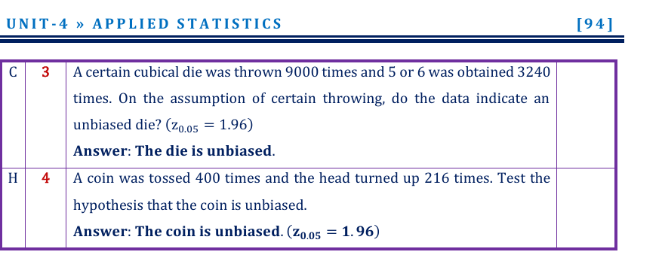

1) | Ho :Dice is Unbiased
 | Ha:Dice is not Unbiased

2) | Ho: Coin is Unbiased
 | Ha: Coin is not Unbiased

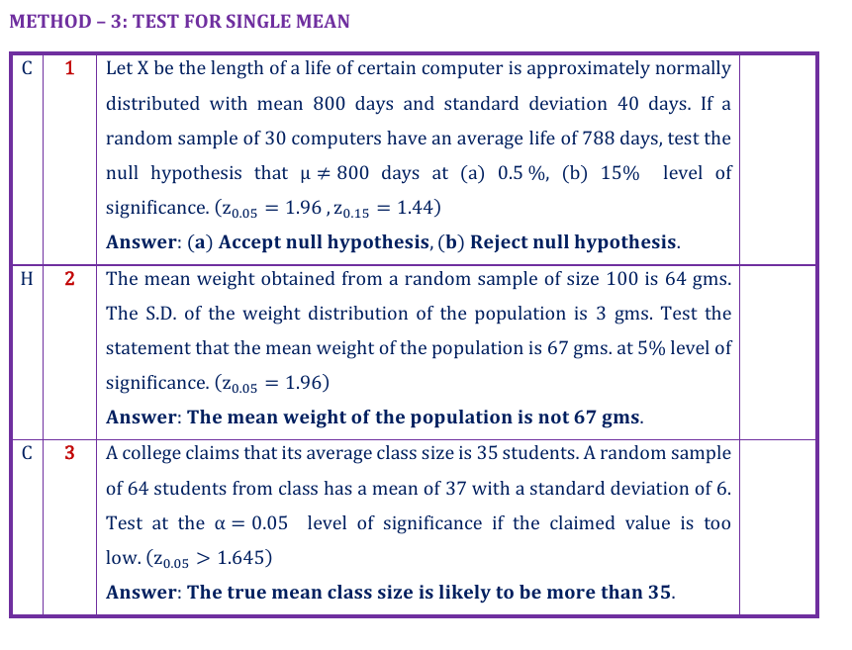

 | Ho: Mean not equal to 800
 | Ha: Mean equals to 800

 | Ho: Mean wight is equal to 67 gms
 | Ha: Mean wright is not equal to 67 gms

 | Ho:Claimed Value is lower than 35
 | Ha:Claimed Value is more than 35

Central_Limit_Theorem
Dice1 | Dice2 | Dice3 | Dice4 | Mean
5 | 2 | 3 | 1 | 2.75 | 3
6 | 5 | 5 | 1 | 4.25 | 1
4 | 3 | 5 | 5 | 4.25 | 1
5 | 4 | 3 | 5 | 4.25 | 6
5 | 1 | 5 | 4 | 3.75 | 4
1 | 5 | 1 | 1 | 2 | 2
4 | 2 | 6 | 2 | 3.5 | 6
Histogram
 | Frequency
1 | 39
2 | 41
3 | 26
4 | 27
5 | 32
6 | 31
More | 0
6 | 1 | 6 | 3 | 4 | 3
5 | 1 | 6 | 5 | 4.25 | 5
4 | 5 | 4 | 6 | 4.75 | 2
3 | 4 | 6 | 6 | 4.75 | 6
4 | 1 | 4 | 3 | 3 | 6
6 | 3 | 2 | 2 | 3.25 | 1 | Bin | Frequency
5 | 1 | 5 | 5 | 4 | 6 | 1 | 39
1 | 5 | 1 | 2 | 2.25 | 5 | 2 | 41
6 | 4 | 6 | 4 | 5 | 4 | 3 | 26
1 | 1 | 3 | 3 | 2 | 2 | 4 | 27
4 | 5 | 5 | 6 | 5 | 3 | 5 | 32
2 | 1 | 4 | 6 | 3.25 | 3 | 6 | 31
1 | 3 | 2 | 1 | 1.75 | 4 | More | 0
6 | 4 | 6 | 5 | 5.25 | 4
4 | 3 | 6 | 6 | 4.75 | 2
2 | 1 | 3 | 6 | 3 | 2
5 | 6 | 2 | 2 | 3.75 | 1
5 | 2 | 1 | 6 | 3.5 | 2
4 | 2 | 5 | 5 | 4 | 2
5 | 1 | 4 | 3 | 3.25 | 4
Histogram
 | Frequency
1 | 0
2 | 3
3 | 14
4 | 22
5 | 9
6 | 1
More | 0
1 | 5 | 5 | 1 | 3 | 6 |  | Mean_Of_samples
5 | 2 | 5 | 3 | 3.75 | 6 |  | Bin | Frequency
6 | 1 | 2 | 6 | 3.75 | 1 |  | 1 | 0
4 | 3 | 1 | 2 | 2.5 | 3 |  | 2 | 3
4 | 2 | 1 | 6 | 3.25 | 4 |  | 3 | 14
2 | 5 | 4 | 4 | 3.75 | 3 |  | 4 | 22
2 | 6 | 2 | 5 | 3.75 | 3 |  | 5 | 9
6 | 3 | 4 | 6 | 4.75 | 4 |  | 6 | 1
4 | 4 | 6 | 4 | 4.5 | 4 |  | More | 0
5 | 1 | 5 | 6 | 4.25 | 6
6 | 5 | 6 | 3 | 5 | 6
3 | 2 | 5 | 2 | 3 | 1
3 | 5 | 2 | 3 | 3.25 | 1
3 | 3 | 3 | 2 | 2.75 | 4
Here we proved central Limit Theorem By Drawing Histogram of taking Means of Samples and its showing Normal Distribution as Per contradict by Central_Limit_Theorem.
2 | 1 | 6 | 1 | 2.5 | 2
2 | 1 | 5 | 2 | 2.5 | 4
3 | 1 | 3 | 2 | 2.25 | 5
2 | 5 | 4 | 1 | 3 | 6
1 | 6 | 5 | 6 | 4.5 | 1
1 | 2 | 5 | 1 | 2.25 | 2
2 | 4 | 1 | 1 | 2 | 6
2 | 6 | 6 | 5 | 4.75 | 6
 |  |  |  |  | 2
 |  |  |  |  | 2
 |  |  |  |  | 6
 |  |  |  |  | 4
 |  |  |  |  | 1
 |  |  |  |  | 4
 |  |  |  |  | 3
 |  |  |  |  | 6
 |  |  |  |  | 3
 |  |  |  |  | 3
 |  |  |  |  | 4
 |  |  |  |  | 6
 |  |  |  |  | 4
 |  |  |  |  | 1
 |  |  |  |  | 4
 |  |  |  |  | 5
 |  |  |  |  | 5
 |  |  |  |  | 4
 |  |  |  |  | 1
 |  |  |  |  | 1
 |  |  |  |  | 2
 |  |  |  |  | 6
 |  |  |  |  | 5
 |  |  |  |  | 2
 |  |  |  |  | 1
 |  |  |  |  | 5
 |  |  |  |  | 5
 |  |  |  |  | 1
 |  |  |  |  | 2
 |  |  |  |  | 1
 |  |  |  |  | 5
 |  |  |  |  | 6
 |  |  |  |  | 4
 |  |  |  |  | 1
 |  |  |  |  | 5
 |  |  |  |  | 6
 |  |  |  |  | 1
 |  |  |  |  | 3
 |  |  |  |  | 1
 |  |  |  |  | 1
 |  |  |  |  | 6
 |  |  |  |  | 1
 |  |  |  |  | 3
 |  |  |  |  | 6
 |  |  |  |  | 2
 |  |  |  |  | 6
 |  |  |  |  | 3
 |  |  |  |  | 4
 |  |  |  |  | 5
 |  |  |  |  | 1
 |  |  |  |  | 4
 |  |  |  |  | 6
 |  |  |  |  | 3
 |  |  |  |  | 5
 |  |  |  |  | 4
 |  |  |  |  | 4
 |  |  |  |  | 5
 |  |  |  |  | 3
 |  |  |  |  | 1
 |  |  |  |  | 4
 |  |  |  |  | 1
 |  |  |  |  | 6
 |  |  |  |  | 5
 |  |  |  |  | 4
 |  |  |  |  | 3
 |  |  |  |  | 4
 |  |  |  |  | 4
 |  |  |  |  | 4
 |  |  |  |  | 2
 |  |  |  |  | 5
 |  |  |  |  | 3
 |  |  |  |  | 2
 |  |  |  |  | 6
 |  |  |  |  | 6
 |  |  |  |  | 5
 |  |  |  |  | 4
 |  |  |  |  | 3
 |  |  |  |  | 2
 |  |  |  |  | 5
 |  |  |  |  | 6
 |  |  |  |  | 2
 |  |  |  |  | 3
 |  |  |  |  | 4
 |  |  |  |  | 6
 |  |  |  |  | 5
 |  |  |  |  | 5
 |  |  |  |  | 4
 |  |  |  |  | 5
 |  |  |  |  | 2
 |  |  |  |  | 6
 |  |  |  |  | 1
 |  |  |  |  | 5
 |  |  |  |  | 6
 |  |  |  |  | 4
 |  |  |  |  | 4
 |  |  |  |  | 6
 |  |  |  |  | 6
 |  |  |  |  | 6
 |  |  |  |  | 1
 |  |  |  |  | 1
 |  |  |  |  | 3
 |  |  |  |  | 5
 |  |  |  |  | 1
 |  |  |  |  | 1
 |  |  |  |  | 6
 |  |  |  |  | 6
 |  |  |  |  | 1
 |  |  |  |  | 2
 |  |  |  |  | 1
 |  |  |  |  | 4
 |  |  |  |  | 6
 |  |  |  |  | 4
 |  |  |  |  | 6
 |  |  |  |  | 1
 |  |  |  |  | 2
 |  |  |  |  | 1
 |  |  |  |  | 5
 |  |  |  |  | 1
 |  |  |  |  | 2
 |  |  |  |  | 4
 |  |  |  |  | 1
 |  |  |  |  | 2
 |  |  |  |  | 6
 |  |  |  |  | 1
 |  |  |  |  | 4
 |  |  |  |  | 3
 |  |  |  |  | 4
 |  |  |  |  | 4
 |  |  |  |  | 2
 |  |  |  |  | 2
 |  |  |  |  | 6
 |  |  |  |  | 5
 |  |  |  |  | 1
 |  |  |  |  | 3
 |  |  |  |  | 1
 |  |  |  |  | 5
 |  |  |  |  | 6
 |  |  |  |  | 5
 |  |  |  |  | 6
 |  |  |  |  | 1
 |  |  |  |  | 5
 |  |  |  |  | 6
 |  |  |  |  | 1
 |  |  |  |  | 4
 |  |  |  |  | 1
 |  |  |  |  | 5
 |  |  |  |  | 2

